How to use this information
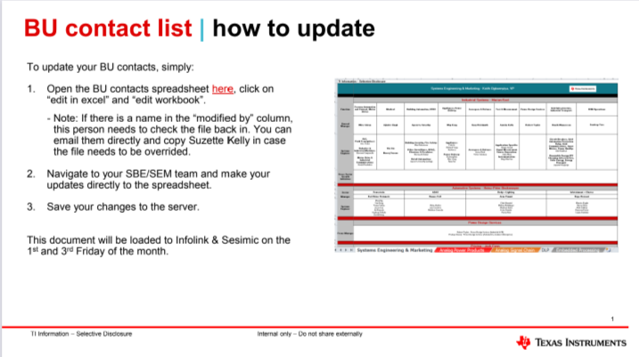
BU Contact spreadsheet: Overview
Key things to know:
- The BU contact spreadsheet shows a hybrid organizational chart/contact list for each of the SBE teams at TI. The goal of this document is to provide the Sales & Applications team with key contacts to reach out to for questions or collaboration opportunities.
- The contact information within this spreadsheet is kept up-to-date by the BU/Marketing teams. If you see a discrepency, please feel free to highlight this directly to the relevant team.
- The latest spreadsheet is uploaded to Seismic on the 1st and 3rd Friday of the month and on Infolink.
- If you need to make an update to the spreadsheet, please type Salescomms/ into your browser and look for "Update the BU contact list" in right column.
(https://sps16.itg.ti.com/sites/salescomms/_layouts/15/WopiFrame.aspx?sourcedoc={679984A6-529A-4905-8E6F-A5CCFD43170E}&file=Factory_Contacts.xlsx&action=default)

